Trang tính1
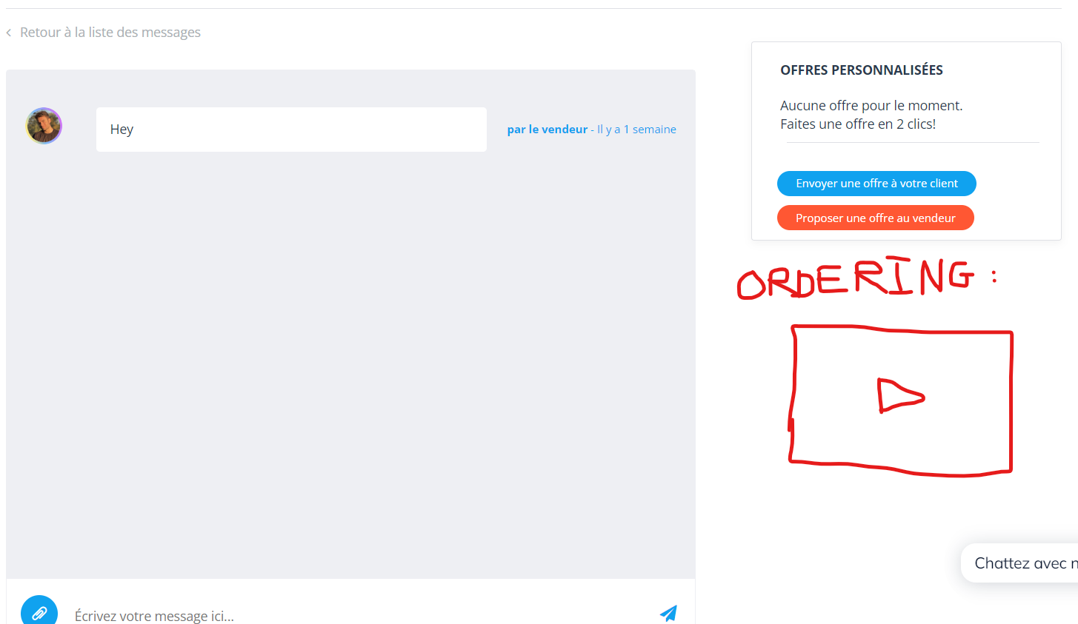
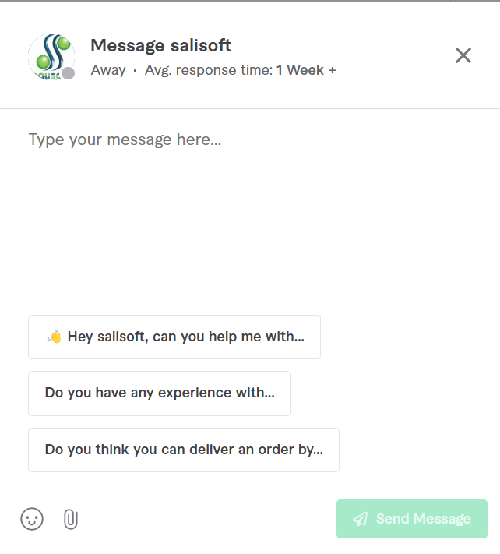
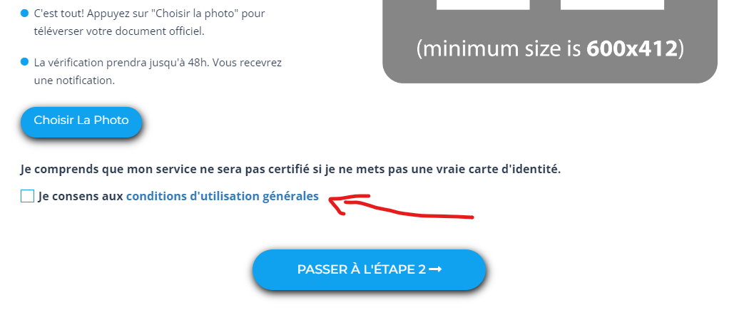
 |  | skip

 |  | discuss | researching + checking | on-going | checking
 |  |  | done | paid | worked
Alexis Danzi Payment on-going | $180.00 |  | working | not yet | bug
 |  |  |  | free
Order Number | Task | Price ($) | Status of process | Status of payment | Alexis Danzi Check
1 | Attach pdf file + link to the receipt email when the client place order successfully | 15 | done | paid | worked
2 | Create a download button on the order detail page when the project has been completed and this button only displays for the freelancer. | 80 | done | paid | worked
3 | Create a page to allow freelancers to be able to download invoice | 35 | done | paid | worked
4 | Attach pdf file + link download when the project has been completed for freelancers. | 15 | done | paid | worked
5 | Fix the bug for which the featured services do not appear in orange as they should do. (it only appears when you order the services in a special way, or when you click on any filter) | 5 | done | paid | worked
6 | When a user wants to verify his service, he is asked to enter his skype ID and alternate e-mail. Please make these 2 optional. | 10 | done | paid | worked
7 | When a service is archived, when you click on “publish” again, you have to fill the whole form again, but this time, when you click on “submit”, it will redirect you to the home page, without doing anything to the archived serviced, that remains as a draft. solution : renew the service for free without editting | 25 | done | paid | worked
8 | Check if it is possible to add a sound like Skype every time a user receives a message (25$) convert order messages to the notifications and show to users (20$) add sound for the notifications ( free ) | 45 | done | paid | worked
9 | When a client is on the "acheter une voix" page, please make it possible everytime they click on a service, that it opens on a new tab | 5 | done | paid | worked
10
11 | When a member signs in or registers, they don't appear connected. They have to click on one page to have their profile at the top right. Is it possible that when they connect or register, the profile is immediately shown? | skip | skip | skip

13 | Change the e-mail design, we will discuss this | discuss
14 | fix bug notification | 10 | done | paid | worked
15 | If possible, please put the (1) on the site title when a message arrives | 10 | done | paid | worked
16 | When a seller delivers, please make it so that when the client click on the delivery link, it automatically downloads the audio. | 10 | done | paid | worked
17 | When a user wants to verify his service: the terms and regulations link is redirecting to a page in which there is nothing. The link must redirect to: https://voixoffmaster.com/tos/ instead. | free | done | free | worked
18 | add toast message when the user get new the notifications and normal messages | discuss
19 | If possible, please put a video I made in each conversation to help the clients buy. Here is an example: | 5 | done | paid | worked
20 | change the notification icon, message icon | 10 | done | paid | worked
21
22

23
24 | Add on the conversation system "seen" or "not seen" if the message has been seen or not seen by the other member of the conversation. Must be for normal messages and order messages. Add option to allow users to able to know the other users are typing when they are in the chat space ( order message and normal message ) | 130 |  | on-going
25 | Add suggested messages when sending a message so that when the client clicks on it, it automatically place the suggested message in the box, ready to be sent. The suggestions must include the name of the seller, so there must be a variable. | 40 |  | done
26 | add real-time for order message & normal message | 30 |  | done
27 | If possible, please put the (1) on the site title when a notification arrives | Free |  | done
28 | add green dot for online users ( user profile ) and avatar in chat box | 50 |  | on-going
29 | add order conversation icon on header , order conversation list | 40 |  | done
30 | fix critical issue about dispute for custom order when the employer is the winner | 20 |  | done
31 | add reviews feature for profile and create reviews page for profile | 35 |  | done
32 | Add pop-up for disputing an order | 5 |  | done
33 | Extra 20$ for normal messages (realtime feature ) | 20 |  | done
 | refund the wrong money to the buyer when he use custom order --> 20$ | 20 |  | done

